Dashboard
`
HR ANALYTICS DASHBOARD
JOB SATISFACTION RATING
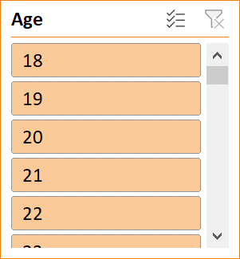

TOTAL EMPLOYEES
ATTRITION
AVERAGE AGE
ATTRITION RATE
ACTIVE EMPLOYEES

1470
237
37
0.16122449
1233

Total Employees by Gender
Education wise Attrition
Attrition by Job Role

 | Total
Female | 24
Male | 39
 | Total
Human Resources | 2
Life Sciences | 6
Marketing | 1
Medical | 4
Other
 | Total
Healthcare Representative | 1
Human Resources | 3
Laboratory Technician | 3
Manager | 0
Manufacturing Director | 1
Research Director | 0
Research Scientist | 3
Sales Executive | 1
Sales Representative | 1

Attrition by Age Group
Attrition by Marital Status
Department wise Attrition
Attrition By Business Travel
 | Total
25 - 34 | 36
35 - 44 | 11
45 - 54 | 9
Over 55 | 1
Under 25 | 12
 | Total
HR | 4
R&D | 37
Sales | 28
 | Total
Travel_Frequently | 69

Gender
Row Labels | Count of Employee Count
Female | 24
Male | 39
Grand Total | 63

 |  | 0

Education Attrition
 | Total
Human Resources | 2
Life Sciences | 6
Marketing | 1
Medical | 4
Other
Row Labels | Sum of CF_attrition counts
Human Resources | 2
Life Sciences | 6
Marketing | 1
Medical | 4
Other
Grand Total | 13

Job Attrition
Row Labels | Sum of CF_attrition count
Healthcare Representative | 1
Human Resources | 3
Laboratory Technician | 3
Manager | 0
Manufacturing Director | 1
Research Director | 0
Research Scientist | 3
Sales Executive | 1
Sales Representative | 1
Grand Total | 13

Dept wise
Row Labels | Sum of CF_attrition count
HR | 4
R&D | 37
Sales | 28
Grand Total | 69

Age wise Attrition
Row Labels | Sum of CF_attrition count
25 - 34 | 36
35 - 44 | 11
45 - 54 | 9
Over 55 | 1
Under 25 | 12
Grand Total | 69

Business Travel
Row Labels | Sum of CF_attrition counts
Travel_Frequently | 69
Grand Total | 69

